INDEX
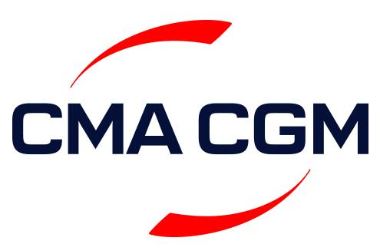
 | CMA CGM SOUTH CHINA

 |  | WEEKLY SAILING SCHEDULE

TO NORTH EUROPEAN CONTINENT |  |  | click

TO RUSSIAN FAR EAST |  |  | click

TO NORTH AMERICA |  |  | click

TO SOUTH AMERICA |  |  | click

TO MEDITERRANEAN |  |  | click

TO NORTH AFRICA |  |  | click

TO WEST AFRICA |  |  | click

TO MEG AND RED SEA |  |  | click

